Problem
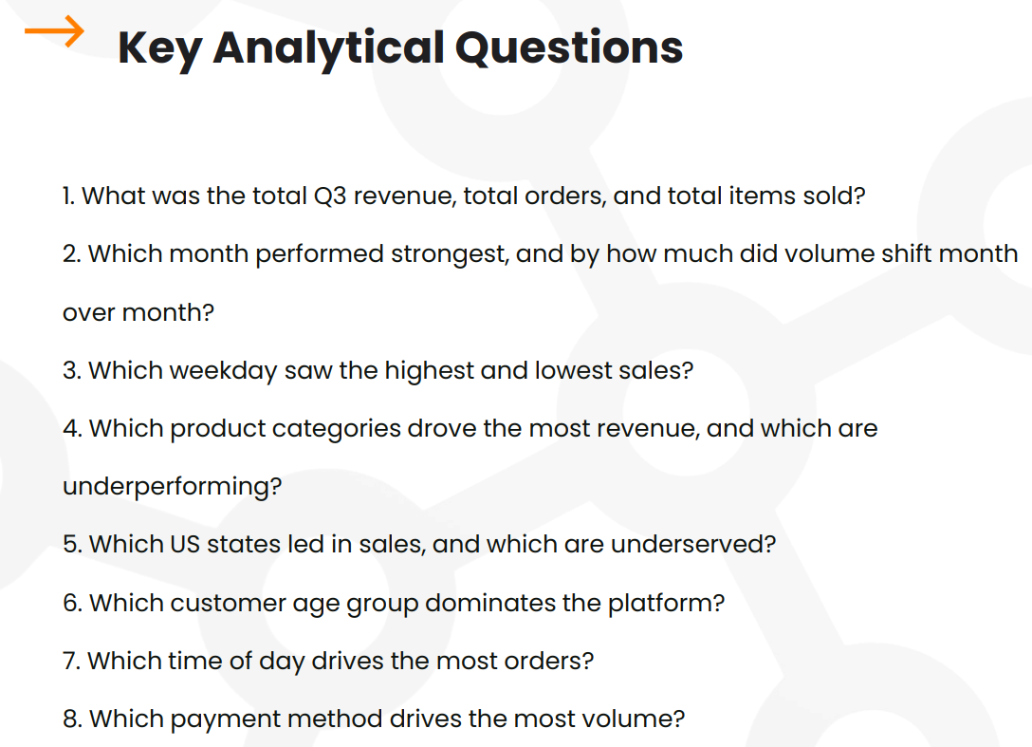
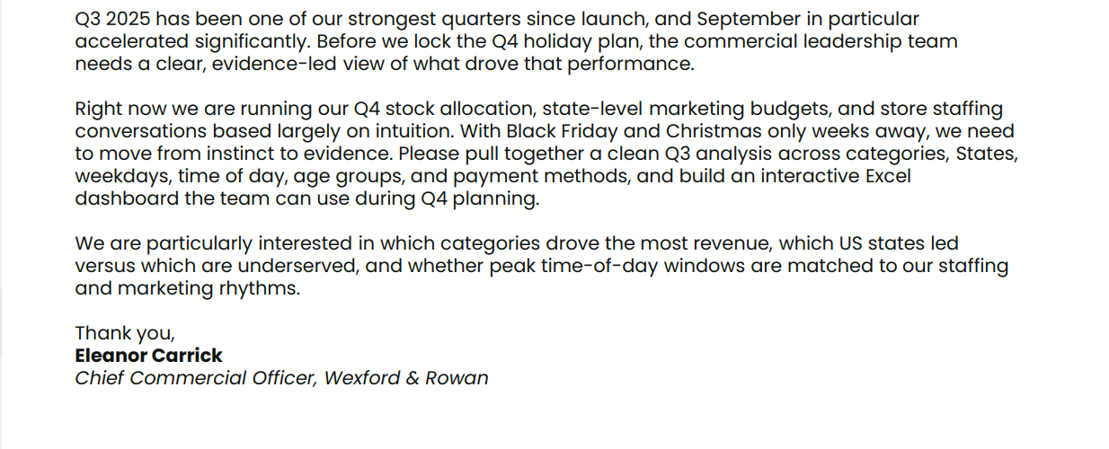

Q&A Pivot Tables
1. Total Q3 Revenue, orders, items sold
In Q3, a total of 2,000 orders were placed where a total of 4,179 items sold for $263,641.
 |  |  |  |  |  |  |  |  |  |  |  |  |  |  |  |  |  |  |  | Singleselect | Multiselect
Total Q3 Revenue |  | KPI Cards |  |  |  |  |  |  |  | Month | Revenue | Orders | Items | Ave Order Value | Revenue MoM % | Orders MoM % | Items MoM % | Ave Order Value MoM % | Selected Month | All | All
$263,641 |  | $263,641 |  |  |  |  |  |  |  | July | 76,449 | 577 | 1,188 | 132.49 |  |  |  |  | Revenue MoM % | Q3 Total | Q3 Total
 |  | 2,000 |  |  |  |  |  |  |  | August | 81,451 | 625 | 1,293 | 130.32 | 6.54% | 8.32% | 8.84% | -1.64% | Orders MoM % | Q3 Total | Q3 Total
Total Number of Orders |  | 4,179 |  |  |  |  |  |  |  | September | 105,741 | 798 | 1,698 | 132.51 | 29.82% | 27.68% | 31.32% | 1.68% | Items MoM % | Q3 Total | Q3 Total
2000 |  | $132 |  |  |  |  |  |  |  |  |  |  |  |  |  |  |  |  | Ave Order Value MoM % | Q3 Total | Q3 Total
 |  |  |  |  |  |  |  |  |  |  |  |  |  |  |  |  |  |  | Caption | Jul to Sep MoM | Jul to Sep MoM
Total Number of Items Sold
4179

Average Order_Value
$132

2. Monthly Orders and MoM Performance
The strongest performance was observed in September with ~30% and~28% increase in revenue and number of orders respectively over the previous month.

Month | Revenue | Number of Orders | Number of Items in Order | Average Order Value
July | $76,449 | 577 | 1,188 | $132
August | $81,451 | 625 | 1,293 | $130
September | $105,741 | 798 | 1,698 | $133
Grand Total | $263,641 | 2,000 | 4,179 | $132

Weekday sales analysis by share of total sales
Month | Revenue MoM % | Number of Orders MoM % | Number of Items in Order MoM % | Average Order Value MoM %
July
August | 6.54% | 8.32% | 8.84% | -1.64%
September | 29.82% | 27.68% | 31.32% | 1.68%
Grand Total

3. Weekday Sales Analysis
The lowest sales are recorded on Mondays ($30,905) while Saturdays have the highest sales ($44,227).

Day | Total Revenue | % of Total Revenue |  | Weekday | Share | Padding1 | Padding 2
Monday | $30,905 | 11.72% |  | Monday | 11.72% | 5.053% | 0.839%
Tuesday | $36,204 | 13.73% |  | Tuesday | 13.73% | 3.043% | 0.839%
Wednesday | $32,298 | 12.25% |  | Wednesday | 12.25% | 4.525% | 0.839%
Thursday | $39,050 | 14.81% |  | Thursday | 14.81% | 1.964% | 0.839%
Friday | $38,468 | 14.59% |  | Friday | 14.59% | 2.184% | 0.839%
Saturday | $44,227 | 16.78% |  | Saturday | 16.78% | 0.000% | 0.839%
Sunday | $42,489 | 16.12% |  | Sunday | 16.12% | 0.659% | 0.839%
Grand Total | $263,641 | 100.00%

4. Product Performance Analysis
Fashion generated the highest revenue of $56,670 while Books & Media brought in the lowest revenue bringin in $6,576.

Product Category | Total Revenue | % of Total Revenue |  | Product Category | Revenue | Padding
Fashion | $56,670 | 21.50% |  | Fashion | $56,670 | $0
Home & Furniture | $55,873 | 21.19% |  | Home & Furniture | $55,873 | $797
Electronics | $54,119 | 20.53% |  | Electronics | $54,119 | $2,551
Sports & Outdoors | $37,219 | 14.12% |  | Sports & Outdoors | $37,219 | $19,451
Beauty | $24,849 | 9.43% |  | Beauty | $24,849 | $31,821
Toys & Kids | $15,719 | 5.96% |  | Toys & Kids | $15,719 | $40,951
Food & Gourmet | $12,616 | 4.79% |  | Food & Gourmet | $12,616 | $44,054
Books & Media | $6,576 | 2.49% |  | Books & Media | $6,576 | $50,094
Grand Total | $263,641 | 100.00%

5. U.S.A's State Performance Analysis
California led in sales with revenue of $58,289 while Arizona underperformed with only $8,300

U.S. States | Total Revenue | % of Total Revenue |  | State | Revenue
California | $58,289 | 22.11% |  | California | $58K
Texas | $37,617 | 14.27% |  | Texas | $38K
New York | $24,762 | 9.39% |  | New York | $25K
Florida | $20,884 | 7.92% |  | Florida | $21K
Illinois | $20,160 | 7.65% |  | Illinois | $20K
Pennsylvania | $18,913 | 7.17% |  | Pennsylvania | $19K
Ohio | $17,883 | 6.78% |  | Ohio | $18K
Georgia | $17,218 | 6.53% |  | Georgia | $17K
North Carolina | $15,746 | 5.97% |  | North Carolina | $16K
Michigan | $14,951 | 5.67% |  | Michigan | $15K
Washington | $8,918 | 3.38% |  | Washington | $9K
Arizona | $8,300 | 3.15% |  | Arizona | $8K
Grand Total | $263,641 | 100.00%

6. Customer Age Group Analysis
The 26-40 year old dominate the platform with 768 orders placed generating revenue of $103,751, accounting for 39.35% of total revenue

Age Group | Total Number of Orders | % of Total Number of Orders | Total Revenue | % of Total Revenue |  | Age group | Share | Padding 1 | Padding 2
26-40 | 768 | 38.40% | $103,751 | 39.35% |  | 26-40 | 38.40% | 0.00% | 1.92%
41-60 | 647 | 32.35% | $81,575 | 30.94% |  | 41-60 | 32.35% | 6.05% | 1.92%
18-25 | 342 | 17.10% | $46,296 | 17.56% |  | 18-25 | 17.10% | 21.30% | 1.92%
60+ | 243 | 12.15% | $32,019 | 12.14% |  | 60+ | 12.15% | 26.25% | 1.92%
Grand Total | 2,000 | 100.00% | $263,641 | 100.00%

7. Order Time Analysis
Most orders are placed in the evenings accounting for ~35% of total orders and revenue

Time of Day | Number of Orders | % Number of Orders | Total Revenue | % of Total Revenue |  | Time of Day | Orders |  | Donut Labels
Evening | 749 | 37.45% | $101,103 | 38.35% |  | Evening | 749 |  | 37.45%
Afternoon | 565 | 28.25% | $73,158 | 27.75% |  | Afternoon | 565 |  | 28.25%
Morning | 443 | 22.15% | $59,478 | 22.56% |  | Morning | 443 |  | 22.15%
Night | 243 | 12.15% | $29,902 | 11.34% |  | Night | 243 |  | 12.15%
Grand Total | 2,000 | 100.00% | $263,641 | 100.00%

8. Payment Method Analysis
Cards drive the most volume accounting for almost half of the total number of orders and revenue.

Payment Method | Number of Orders | % Number of Orders | Total Revenue | % of Total Revenue
Card | 978 | 48.90% | $126,956 | 48.15%
Digital Wallet | 403 | 20.15% | $53,421 | 20.26%
Buy Now Pay Later | 314 | 15.70% | $43,416 | 16.47%
Gift Card | 188 | 9.40% | $23,409 | 8.88%
Cash | 117 | 5.85% | $16,439 | 6.24%
Grand Total | 2000 | 100.00% | $263,641 | 100.00%

Light Dashboard
&
Wexford & Rowan, Q3 Retail Performance

W & R
INSIGHT
Fashion, Home, & Furniture, and Electronics drove 63% of Revenue.
September accelerated by 30% as we built into Q4

MENU

REVENUE
 | Share | Padding1
Monday | 11.72% | 5.053%
Tuesday | 13.73% | 3.043%
Wednesday | 12.25% | 4.525%
Thursday | 14.81% | 1.964%
Friday | 14.59% | 2.184%
Saturday | 16.78% | 0.000%
Sunday | 16.12% | 0.659%
Weekday Trend
Weekly revenue distribution
DASHBOARD
US State Performance
Revenue across 12 US States

ANALYSIS
$263,641

DATA
Q3 Total
Jul to Sep MoM

ORDERS

2,000

Q3 Total
Jul to Sep MoM

ITEMS
 | Revenue | Padding
Fashion | $56,670 | $0
Home & Furniture | $55,873 | $797
Electronics | $54,119 | $2,551
Sports & Outdoors | $37,219 | $19,451
Beauty | $24,849 | $31,821
Toys & Kids | $15,719 | $40,951
Food & Gourmet | $12,616 | $44,054
Books & Media | $6,576 | $50,094
Category Analysis
Top categories by Q3 revenue
 | Orders | Orders | Orders | Orders | Orders | Orders
Evening | 749 | 749 | 749 | 749 | 749 | 749
Afternoon | 565 | 565 | 565 | 565 | 565 | 565
Morning | 443 | 443 | 443 | 443 | 443 | 443
Night | 243 | 243 | 243 | 243 | 243 | 243
Time of Day
Order volume by time of day
 | Share | Padding 1 | Padding 2
26-40 | 38.40% | 0.00% | 1.92%
41-60 | 32.35% | 6.05% | 1.92%
18-25 | 17.10% | 21.30% | 1.92%
60+ | 12.15% | 26.25% | 1.92%
Age Group Distribution
Order share by customer age group

4,179
37.45%

Q3 Total
Jul to Sep MoM
28.25%
2,000
AVG ORDER VALUE

22.15%
16th June, 2026
v 1.0
$132

Q3 Total
Jul to Sep MoM
12.15%

Dark Dashboard
&
Wexford & Rowan, Q3 Retail Performance

W & R
INSIGHT
Fashion, Home, & Furniture, and Electronics drove 63% of Revenue.
September accelerated by 30% as we built into Q4

MENU

REVENUE
 | Share | Padding1
Monday | 11.72% | 5.053%
Tuesday | 13.73% | 3.043%
Wednesday | 12.25% | 4.525%
Thursday | 14.81% | 1.964%
Friday | 14.59% | 2.184%
Saturday | 16.78% | 0.000%
Sunday | 16.12% | 0.659%
Weekday Trend
Weekly revenue distribution
DASHBOARD
US State Performance
Revenue across 12 US States

ANALYSIS
$263,641

DATA
Q3 Total
Jul to Sep MoM

ORDERS

2,000

Q3 Total
Jul to Sep MoM

ITEMS
 | Revenue | Padding
Fashion | $56,670 | $0
Home & Furniture | $55,873 | $797
Electronics | $54,119 | $2,551
Sports & Outdoors | $37,219 | $19,451
Beauty | $24,849 | $31,821
Toys & Kids | $15,719 | $40,951
Food & Gourmet | $12,616 | $44,054
Books & Media | $6,576 | $50,094
Category Analysis
Top categories by Q3 revenue
 | Orders | Orders | Orders | Orders | Orders | Orders
Evening | 749 | 749 | 749 | 749 | 749 | 749
Afternoon | 565 | 565 | 565 | 565 | 565 | 565
Morning | 443 | 443 | 443 | 443 | 443 | 443
Night | 243 | 243 | 243 | 243 | 243 | 243
Time of Day
Order volume by time of day
 | Share | Padding 1 | Padding 2
26-40 | 38.40% | 0.00% | 1.92%
41-60 | 32.35% | 6.05% | 1.92%
18-25 | 17.10% | 21.30% | 1.92%
60+ | 12.15% | 26.25% | 1.92%
Age Group Distribution
Order share by customer age group

4,179

Q3 Total
Jul to Sep MoM

2,000
AVG ORDER VALUE

16th June, 2026
v 1.0
$132

Q3 Total
Jul to Sep MoM

